1. Title Page
[Basket Analysis]

Project Name: Basket Analysis
Date: 07 July 2022
Analyst Name: Carlos Keglevich

Contents:
Population Flow
Consistency checks
Wrangling steps
Column derivations
Visualizations
Recommendations

Data Citation
“The Instacart Online Grocery Shopping Dataset 2017”, Accessed from https://www.instacart.com/datasets/grocery-shopping-2017 on 20 June 2022.
The customer data as well as the “prices” column in the products data set, were may not reflect the actual information, since it was available through other sources.

2. Population Flow
Title page

Population flow

Exclusion flag
Condition: max_order < 5
Obervations to be removed: 1440295
Final total count of order_products_all: 30964564

Orders_products_combined
Orders_products_merged
Orders_products_together

Total: 32404859
Total: 32434489
Total: 32404859

1.) The grey boxes in the first row of the population flow represent the original data sets as they were when you downloaded them. In the Total fields you need to add the count of the rows when you imported the data set into Jupyter.
2.) The second row of boxes (coloured) represents the data sets after you manipulated them, e.g., removed missing values and duplicates. In the Total fields you need to add the count of the rows after conducting these operations. This offers a visual oveview of how the data flows throughout the data consistency checks.
3.) The third row, where also the arrows are coloured, represents the merges you performed between the datasets. In the Total fields you need to add the count of the rows in the merged datasets, so that you end up with the final dataset (in the red box). Keep in mind the final dataset should be without exclusions (based on the exclusion flag).

3. Consistency checks
 |  |  |  | Title page
Consistency checks

Dataset | Missing values | Missing values treatment | Duplicates
orders | No missing values in orders | NA | none
products | 16 | removed from data set | 5 duplicates found and removed
orders_products_prior | none | nothing to do | none
customers | 11259 | removed entire variable | none

4. Wrangling steps
 |  |  |  | Title page
Wrangling steps

Columns dropped | Columns renamed | Columns' type changed | Comment/Reason
eval_set |  |  | not relevant for analysis
 |  | order_id | changed to string, to exclude from descriptive statistics
 |  | user_id | changed to string, to exclude from descriptive statistics
 | order_dow |  | renamed to orders_day_of_week
 | days_since_prior_order |  | renamed to days_since_last_order
 | n_dependants |  | renamed to number_of_dependants
 | STATE |  | renamed to state
 | fam_status |  | renamed to family_status
dropped from dataset | First Name |  | renamed to first_name, after that dropped for privacy issues
dropped from dataset | Surnam |  | renamed to surname, after that was removed for privacy issues
 | Gender |  | renamed to gender
 | Age |  | renamed to age
first_name |  |  | removed from dataset
surname |  |  | removed from dataset

5. Column derivations
 |  |  |  | Title page

Column derivations and aggregations

In this tab you should add tables below that the frequences of flags/label variables that you produced after deriving them. NB: don't do this for continuous variables, only for flags.
Dataset | New column | Column/s it was derived from | Conditions
orders_products_altered | price_range | prices | price > 15 = High Range product 15> price > 5 = Mid range product 5 > price = Low range product. Removed also outliers that goes to a price range to $90K and $14K. These prices were cleaned since there is no grocery item that costs too much.
 | busiest_day | orders_day_of_week | based on the number of orders in a day
 | busiest_days | orders_day_of_week | based on the sum of orders in a day. Created a new column
 | busiest_period_of_day | order_hour_of_day | match the hour and the number of orders in that hour
orders_products_combined.pkl | max_order | user_id & order_number | how many orders a user made
 | loyalty_flag | max_order | how many orders a customer made in total. Created a new column
 | mean_spending | user_id &prices | mean spending
 | spender_flag | mean_spending | if the average spending is higher, set up a flag in a new column
 | order_frequency | user_id & days_since_last_order | based on how many days passed since last order
 | frequency_flag | order_frequency | how many orders. Created a column with a flag
orders_products_together | region | state | Based on geographic conditions. Grouped a state per region. Created a new column with region
 | profile | age&income&family_status | Profile Condition: Highe income: > 156K year. Middle income: between 52200-156K. Low Income: < 52200 grouped by age and if married. Since the info does not count the number of children, it only had these conditions.
 | spender | user_id&prices | Higher spender - by value spend. If higher than 10 is higher spender. If lower than 10 is lower spender. The value is for order.
 | activity_flag | max_order | if the max orders for an user is more than 1 in a day.

Mid-range product 21860860 |  | Regular customer 15,876,776
Low-range product 10126321 |  | Loyal customer 10,284,093
High-range product 417678 |  | New customer 6,243,990
Name: price_range, |  | Name: loyalty_flag

Regularly busy 22416875 |  | Low spender 32285131
Busiest day 6204182 |  | High spender 119728
Least busy 3783802 |  | Name: spending_flag
Name: busiest_day,
 |  | Frequent customer 21559853
Regularly busy 12916111 |  | Regular customer 7208564
Busiest days 11864412 |  | Non-frequent customer 3636437
Least busy days 7624336 |  | NaN 5
Name: busiest_days, |  | Name: frequency_flag

Most orders 21118071 |  | South 11458967
Average orders 10399967 |  | West 8292913
Fewest orders 886821 |  | Midwest 7597325
Name: busiest_period_of_day, |  | Northeast 5055654
 |  | Name: region
High activity 30964564
Low activity 1440295
Name: activity_flag

6. Visualizations
 |  |  | Title page

Visualisations

In this tab you should include all the visualtions from Exercises 4.9 and 4.10, alongside the questions from the project brief that they answer. Include any commentary on the relationship between different variables.

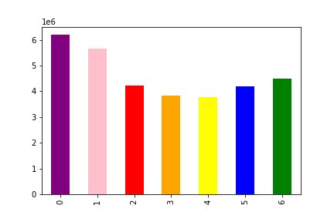
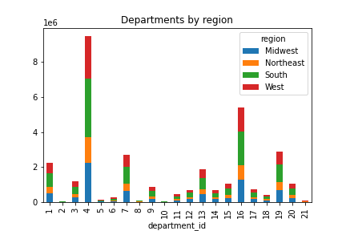

Number of orders per day of the week - Key question 1

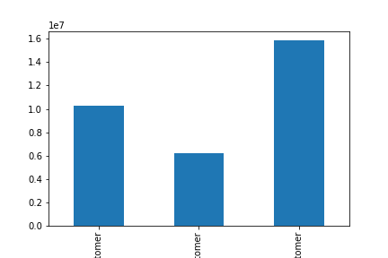
 |  | Number of products purchased from each department by customer profile

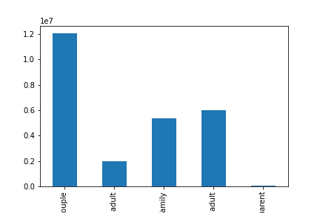
Number of orders per hour of the day - Key question 1

 |  | Distribution of customer loyalty - key question 5
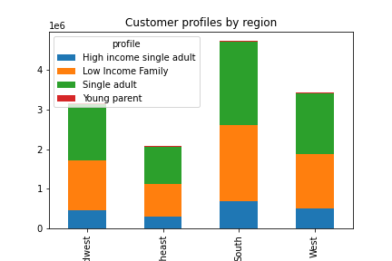

Distribution of customer profiles

 |  | Customer profile distribution in each region - key question 5.3

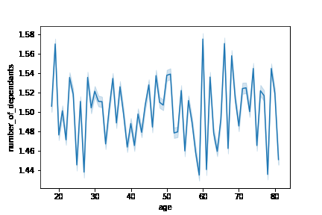

Price distribution of product catalogue - key question 3

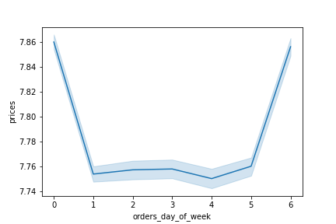
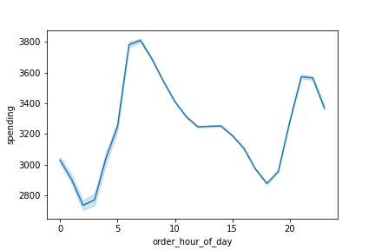
 |  | relationship between age and number of dependants

Change in average price during the course of the week
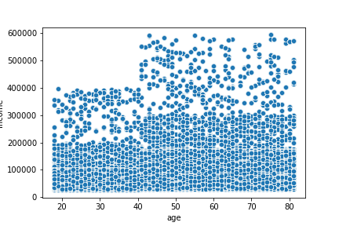
 |  | Change in average price during the day
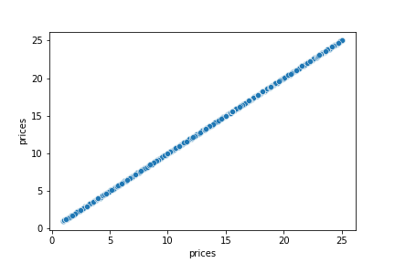

Relationship between income and age

 | Price progression

7. Recommendations
 |  |  |  |  |  |  |  |  |  |  |  |  |  | Title page

Recommendations

In this tab you should include any recommendations you would made to Instcart in terms of their marketing strategy based on the questions posed in the brief. Every key question has been covered in the Tasks of the Exercises

Question | Answer
Key Question 1 | What are the busiest days of the week and hours of the day?

 | Rephrasing this question, the marketing team really wants to know which days and hours the marketing effort can really worth it.
 | Busiest time of day is between 10am and 4pm, with a dip in orders around 12pm.
 | The busiest day of the week is Saturday.
 | So the best day to spend a marketing budget is Saturday and Monday. The best time is between 10 Am and 4 Pm.
 | This may convince people to expend more around these busiest times.

Key Question 2 | What time of day do people spend the most?
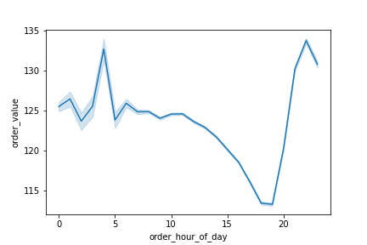

 | What the stackholder would like to know is which time people expend most.

 | Overall spending is highest in the early morning, between 4:30 am and 7am, with another smaller peak in the late evening around 8 and 9pm.
 | This matches somewhat the the average order value, which peaks earlier in the morning at 4am, then drops to it's lowest level between 6 and 7pm, before rising to it's second peak at 9pm.
 | This find is interesting because the busiest time of the day does not mean this is the time the people expend the most. With this difference, I suggest the marketing team can apply the effort to make people expend more during the busiest times of the day.

Key Question 3 | Price range grouping
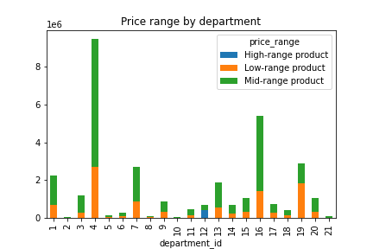

 |  |  |  |  |  |  |  | Mid-range product 21,860,860
 |  |  |  |  |  |  |  | Low-range product 10,126,321
 |  |  |  |  |  |  |  | High-range product 417,678
 |  |  |  |  |  |  |  | Name: price_range,

 | There are mostly mid-range products in the catalogue, nearly 22 million, followed by 10 million low-range products and a handful of 400k high-range products.
 | Most of the High-range products are in department_id 12 which is the the meat&seafood department.
 | Interesting to see if is possible to increase the product catalog to more expensive products.
 | Since the highest range products are meat and seafood, it is worth studying in the future if the storage cost is worth the sales increase.

Key Question 4 | Which department has the highest frequency of product orders?

 | Department_id |  |  | avg_order_number |  | avg_order_frequency
 | 1 | frozen |  | 15.458 |  | 11.047
 | 2 | other |  | 17.278 |  | 10.383
 | 3 | bakery |  | 17.170 |  | 10.344
 | 4 | produce |  | 17.811 |  | 10.133
 | 5 | alcohol |  | 15.216 |  | 10.094
 | 6 | international |  | 16.440 |  | 10.703
 | 7 | beverages |  | 17.226 |  | 10.375
 | 8 | pets |  | 15.341 |  | 11.094
 | 9 | dry goods pasta |  | 15.895 |  | 11.016
 | 10 | bulk |  | 20.197 |  | 9.398
 | 11 | personal care |  | 16.171 |  | 11.008
 | 12 | meat seafood |  | 15.888 |  | 10.727
 | 13 | pantry |  | 16.584 |  | 10.656
 | 14 | breakfast |  | 16.774 |  | 10.523
 | 15 | canned goods |  | 16.165 |  | 11.016
 | 16 | dairy eggs |  | 17.666 |  | 10.156
 | 17 | household |  | 15.694 |  | 11.367
 | 18 | babies |  | 19.310 |  | 9.094
 | 19 | snacks |  | 17.177 |  | 10.352
 | 20 | deli |  | 16.473 |  | 10.609
 | 21 | missing |  | 22.902 |  | 9.445

 | It is worth to know if new products can be added to the list, and on which department. This can be a task to the buyer department or the department which take care with the suppliers.
 | I also suggest leaving this study to the warehouse department, since this can lead to opening more storage space in the future. It also helps if there is some merchandise that needs to have more turnover.
 | Not considering the numbers for department_id 21 as it's not sure which products are included in this department, bulk products show the highest number of orders on average followed by baby products.
 | This is also reflected in the average order frequency, as for these two departments a repeat order is placed every 9 days ahead of the overall average of 10.5 days.
 | This may reflect the average time these products are consumed.

Key Question 5 | Distribution among users in regards to their brand loyalty?

 | The team would probably want to know if there are loyal customers or not. It is also possible if new customers can expend more in the future.4
 | They have mostly regular customers around 15 million, followed by their 10 million loyal customers who placed more than 40 orders each. New customers make up around 6 million.
 | It is interesting to see if new customers can expend more, and at the same time, reward the loyal customer to keep buying.

Key Question 6 | Are there differences in ordering habits based on a customer's region?

 | region | High spender | Low spender | Rate high spender |  |  | region | High-range product | Low-range product | Mid-range product | rate high | rate low | rate mid
 | Midwest | 29265 | 7568060 | 0.4% |  |  | Midwest | 96658 | 2372304 | 5127103 | 1.3% | 31.2% | 67.5%
 | Northeast | 17061 | 5038593 | 0.3% |  |  | Northeast | 64141 | 1582903 | 3407841 | 1.3% | 31.3% | 67.4%
 | South | 42160 | 11416807 | 0.4% |  |  | South | 145818 | 3578378 | 7732907 | 1.3% | 31.2% | 67.5%
 | West | 31242 | 8261671 | 0.4% |  |  | West | 105934 | 2592736 | 5593009 | 1.3% | 31.3% | 67.5%

 | There is no difference between the regions when it comes to spending levels or the type of products they buy based on price range.
 | A future study may be worth to know on which city has more others, so this can help with logistic issues.

Key Question 7 | Are there differences in ordering habits based on a customer’s loyalty status?

 | loyalty_flag |  | High spender |  | Low spender |  | rate High spender
 | Loyal customer |  | 13896 |  | 10270197 |  | 0.1%
 | New customer |  | 58647 |  | 6185343 |  | 0.9%
 | Regular customer |  | 47185 |  | 15829591 |  | 0.3%

 | The relative number of high spenders reduces the longer the people are customers. As it's around 0.9% for new customers, but drops to 0.1% for loyal customers.
 | It is worth knowing why loyal customers spend less. It may be worth researching if the competition is selling for a cheaper price, or if the loyal customer is unhappy with something else.
 | I recommend the marketing team can lead a study on why the loyal customer is spending less. For example, it may be worth making a sales promotion or perhaps delivering a better customer experience.

